Cash Trap Events
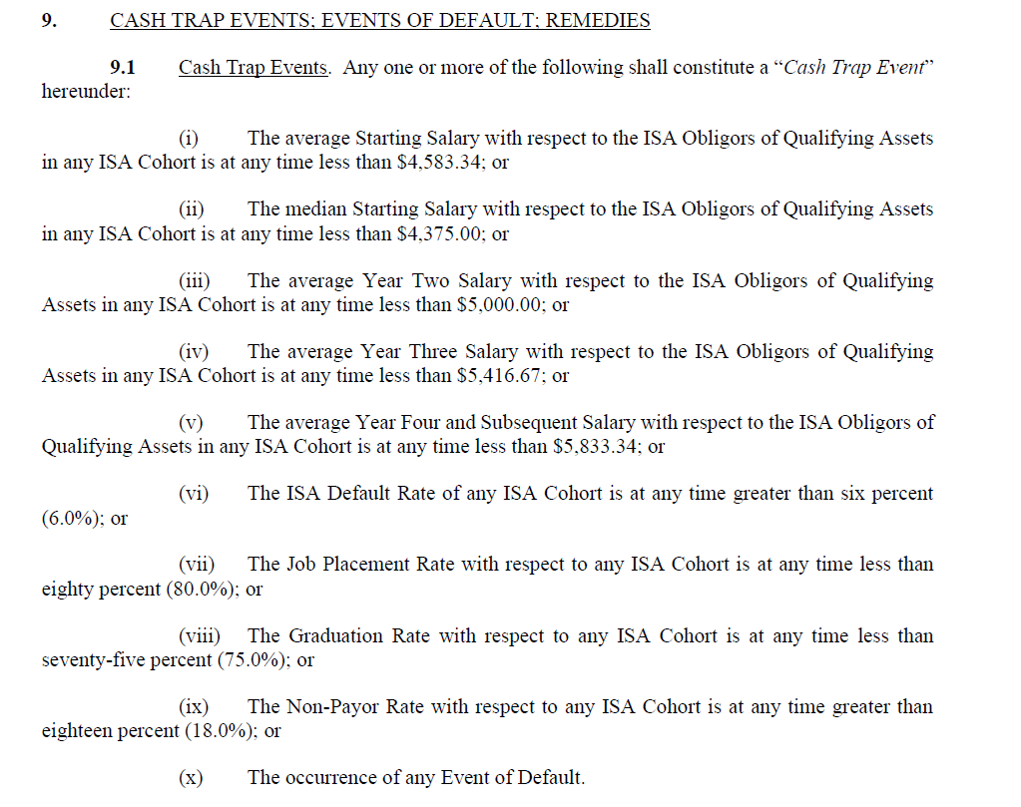

Mean Threshold Mean | $55,000.08
Median Threshold Min | $52,500.00

Year 2 | $60,000.00
Year 3 | $65,000.04
Year 4 | $70,000.08

ISA Metric Defaults
